Valuation
Sea Ltd (SE US) - Valuation
 | Current Price: | $142.45

Tax = | 40% |  |  |  |  |  | FY 2025E | FY 2026E | FY 2027E | FY 2028E | FY 2029E | FY 2030E | FY 2031E | FY 2032E | FY 2033E | FY 2034E
Year |  |  |  |  |  |  | 1 | 2 | 3 | 4 | 5 | 6 | 7 | 8 | 9 | 10
Free cash flow calculation |  |  |  |  |  |  | 12/31/2025 | 12/31/2026 | 2027-12-31 | 2028-12-31 | 2029-12-31 | 2030-12-31 | 2031-12-31 | 2032-12-31 | 2033-12-31 | 2034-12-31
Profit after tax |  |  |  |  |  |  | 270.6 | 588.4 | 856.3 | 1,570.2 | 2,022.4 | 3,131.0 | 3,617.6 | 4,240.0 | 4,941.1 | 5,762.6
+ depreciation & amortization |  |  |  |  |  |  | 393.8 | 411.4 | 462.2 | 536.3 | 634.5 | 751.8 | 890.9 | 1,045.5 | 1,220.4 | 1,420.8
- increase in current assets |  |  |  |  |  |  | 99.0 | 102.5 | 107.4 | 130.4 | 139.6 | 163.9 | 167.4 | 194.2 | 226.2 | 263.5
+ increase in current liabilities |  |  |  |  |  |  | 685.5 | 892.0 | 933.8 | 1,105.8 | 1,208.7 | 1,376.3 | 1,442.9 | 1,672.8 | 1,948.0 | 2,269.2
+ increase in fixed assets at cost |  |  |  |  |  |  | 444.2 | 556.5 | 674.0 | 816.9 | 969.7 | 1,149.2 | 1,332.6 | 1,545.2 | 1,792.9 | 2,081.4
+ after-tax interest on debt |  |  |  |  |  |  | 27.1 | 32.6 | 39.5 | 49.0 | 61.3 | 77.3 | 97.5 | 121.1 | 148.9 | 181.6
- after-tax interest on cash and mkt. securities |  |  |  |  |  |  | 305.9 | 392.5 | 480.3 | 597.0 | 750.1 | 949.6 | 1,199.1 | 1,493.6 | 1,840.8 | 2,248.8
+ provision for credit losses |  |  |  |  |  |  | 958.9 | 1,237.0 | 1,478.6 | 1,790.3 | 2,136.0 | 2,523.7 | 2,927.4 | 3,397.2 | 3,939.2 | 4,573.9
Free Cash Flow to Firm (FCFF) |  |  |  |  |  |  | 2,375.1 | 3,222.8 | 3,856.8 | 5,141.0 | 6,142.8 | 7,895.8 | 8,942.3 | 10,333.9 | 11,923.4 | 13,777.1
- After Tax Net Interest Expense (Income) |  |  |  |  |  |  | 278.9 | 359.9 | 440.7 | 548.0 | 688.8 | 872.2 | 1,101.6 | 1,372.5 | 1,691.9 | 2,067.2
+ Net Borrowings |  |  |  |  |  |  | 808.0 | 1,022.4 | 1,298.7 | 1,841.0 | 2,268.0 | 3,085.0 | 3,619.2 | 4,265.9 | 5,011.9 | 5,884.7
Free Cash Flow to Firm (FCFE) |  |  |  |  |  |  | 2,904.3 | 3,885.3 | 4,714.8 | 6,434.0 | 7,722.1 | 10,108.6 | 11,459.9 | 13,227.3 | 15,243.4 | 17,594.6

Discounted Cash Flows
Cost of Debt | 2.10% | Source: BBG |  | Cost of Equity |  | 14.80%
D/V | 6.90% |  |  | E/V |  | 93.10%
Tax Rate | 40.00% |  |  | Unlevered WACC, rA |  | 13.92%
Weighted average cost of capital | 13.87%
Long-term free cash flow growth rate, g | 4.30% | to 5.9% | Source: Haitong International report (IMF prediction)

Year |  |  |  |  |  |  | 1 | 2 | 3 | 4 | 5 | 6 | 7 | 8 | 9 | 10
FCFF Approach
FCFF |  |  |  |  |  |  | 2,375.1 | 3,222.8 | 3,856.8 | 5,141.0 | 6,142.8 | 7,895.8 | 8,942.3 | 10,333.9 | 11,923.4 | 13,777.1 | 19.2%
Terminal value |  |  |  |  |  |  |  |  |  |  |  |  |  |  |  | 150,218.3
Total |  |  |  |  |  |  | 2,375.1 | 3,222.8 | 3,856.8 | 5,141.0 | 6,142.8 | 7,895.8 | 8,942.3 | 10,333.9 | 11,923.4 | 163,995.4

FCFE Approach
FCFE |  |  |  |  |  |  | 2,904.3 | 3,885.3 | 4,714.8 | 6,434.0 | 7,722.1 | 10,108.6 | 11,459.9 | 13,227.3 | 15,243.4 | 17,594.6
Terminal value |  |  |  |  |  |  |  |  |  |  |  |  |  |  |  | 174,773.0
Total |  |  |  |  |  |  | 2,904.3 | 3,885.3 | 4,714.8 | 6,434.0 | 7,722.1 | 10,108.6 | 11,459.9 | 13,227.3 | 15,243.4 | 192,367.6

Valuation of Sea Ltd
APV Approach
Unlevered Cash Flow = FCFF |  |  |  |  |  |  | 2,375.1 | 3,222.8 | 3,856.8 | 5,141.0 | 6,142.8 | 7,895.8 | 8,942.3 | 10,333.9 | 11,923.4 | 13,777.1
Tax Shield from Interest Expense (Income) |  |  |  |  |  |  | (185.9) | (239.9) | (293.8) | (365.4) | (459.2) | (581.5) | (734.4) | (915.0) | (1,127.9) | (1,378.1)
Terminal Value (Estimated with Levered WACC, assuming D/V remains constant perpetually) |  |  |  |  |  |  |  |  |  |  |  |  |  |  |  | 150,218.3
Total |  |  |  |  |  |  | 2,189.2 | 2,982.9 | 3,563.0 | 4,775.7 | 5,683.6 | 7,314.3 | 8,207.9 | 9,418.9 | 10,795.5 | 162,617.3 |  |  | Valuation of Sea Ltd | Low | Diff |  | High
 |  |  |  |  |  |  |  |  |  |  |  |  |  |  |  |  |  |  | 52w Trading Range | 55.00 | 92.73 | 6.3 | 147.73
SE: Valuation (US$ m) |  |  | FCFF | FCFE | APV |  |  |  |  |  |  |  |  |  |  |  |  |  | Current Analyst Forecast | 29.00 | 153.00 | 4.9 | 182.00
Enterprise value |  |  | 72,801.3 |  | 69,887.0 |  |  |  |  |  |  |  |  |  |  |  |  |  | DCF (FCFF, FCFE, APV) | 141.02 | 14.86 | 3.5 | 155.88
Add in initial (year 0) cash and mkt. securities |  |  | 8,620.6 |  | 8,620.6 |  |  |  |  |  |  | X | Y |  |  |  |  |  | Comps by Segments | 19.37 | 87.71 | 2.1 | 107.08
Asset value in year 0 |  |  | 81,421.9 |  | 78,507.6 |  |  |  |  |  |  | 0 | 130.67 |  |  |  |  |  | Comps as a Whole | 18.28 | 82.51 | 0.7 | 100.79
Subtract out value of firm's debt today |  |  | 4,110.6 |  | 4,110.6 |  |  |  |  |  |  | 4 | 130.67
Subtract out value of firm's pref shares today |  |  | 0.0 |  | 0.0
Subtract out minority interest today |  |  | 105.2 |  | 105.2 |  |  |  |  |  |  |  |  |  |  |  |  |  |  | X | Y
Equity value |  |  | 77,206.0 | 82,120.0 | 74,291.7 |  |  |  |  |  |  |  |  |  |  |  |  |  |  | 130.67 | 0
Total number of shares |  |  | 526.8 | 526.8 | 526.8 |  |  |  |  |  |  |  |  |  |  |  |  |  |  | 130.67 | 7
Equity value per share |  |  | 146.55 | 155.88 | 141.02
Upside/ (Downside) |  |  | 12.2% | 19.3% | 7.9%

Sensitivity Analysis

 | FCFF |  | WACC |  |  |  |  |  |  | FCFE |  | Cost of Equity |  |  |  |  |  | APV |  | Unlevered WACC, rA
 |  | 146.55 | 12.9% | 13.4% | 13.9% | 14.4% | 14.9% |  |  |  | 155.88 | 13.8% | 14.3% | 14.8% | 15.3% | 15.8% |  |  | 141.02 | 12.9% | 13.4% | 13.9% | 14.4% | 14.9%
 | Long-term Growth Rate | 3.3% | 146.55 | 146.55 | 146.55 | 146.55 | 146.55 |  |  | Long-term Growth Rate | 3.3% | 155.88 | 155.88 | 155.88 | 155.88 | 155.88 |  | Long-term Growth Rate | 3.3% | 141.02 | 141.02 | 141.02 | 141.02 | 141.02
 |  | 3.8% | 146.55 | 146.55 | 146.55 | 146.55 | 146.55 |  |  |  | 3.8% | 155.88 | 155.88 | 155.88 | 155.88 | 155.88 |  |  | 3.8% | 141.02 | 141.02 | 141.02 | 141.02 | 141.02
 |  | 4.3% | 146.55 | 146.55 | 146.55 | 146.55 | 146.55 |  |  |  | 4.3% | 155.88 | 155.88 | 155.88 | 155.88 | 155.88 |  |  | 4.3% | 141.02 | 141.02 | 141.02 | 141.02 | 141.02
 |  | 4.8% | 146.55 | 146.55 | 146.55 | 146.55 | 146.55 |  |  |  | 4.8% | 155.88 | 155.88 | 155.88 | 155.88 | 155.88 |  |  | 4.8% | 141.02 | 141.02 | 141.02 | 141.02 | 141.02
 |  | 5.3% | 146.55 | 146.55 | 146.55 | 146.55 | 146.55 |  |  |  | 5.3% | 155.88 | 155.88 | 155.88 | 155.88 | 155.88 |  |  | 5.3% | 141.02 | 141.02 | 141.02 | 141.02 | 141.02

Calculations
 | FY 2025E | we assume that opex share the same percentage split for each respective business line as total revenue in 2025E
 | 12/31/2025 | Assume cost of revenue for ecommerce and financial services is split accordingly to their weighted percentage of revenue generated in 2025E
Revenue | 21,154.6 | E commerce incl. Sales of goods |  |  | 75.4%
% Growth | 25.8% | Digital entertainment |  |  | 10.1%
+ Digital Entertainment | 2,139.9 | Digital financial services |  |  | 14.5%
% Growth | 12.0%
+ E-commerce | 14,016.9
% Growth | 28.0%
+ Digital Financial services | 3,072.0
% Growth | 28.0% | OPEX per business line
+ Sales of goods | 1,925.9 | E commerce incl. Sales of goods |  |  | 6681.2998012
% Growth | 23.6% | Digital entertainment |  |  | 896.77591144
- Total Cost of Revenue | 11,838.0 | Digital financial services |  |  | 1287.4188087
% Revenue | 56.0%
+ Digital Entertainment | 705.9
% Revenue | 33.0% | EBITDA per business line
+ E-commerce and Financial services | 9,398.9 | E commerce incl. Sales of goods |  |  | -181.1
% Revenue | 55.0% | Digital entertainment |  |  | 537.2
+ Cost of Sales of goods | 1,733.3 | Digital financial services |  |  | 95.0
% Revenue | 90.0%
 |  |  |  |  | 451.06662154
Gross Profit | 9,316.6
Gross Margin | 44.0%
- Operating Expenses | 8,865.5 | Assume Net income percentage split is the same as total revenue
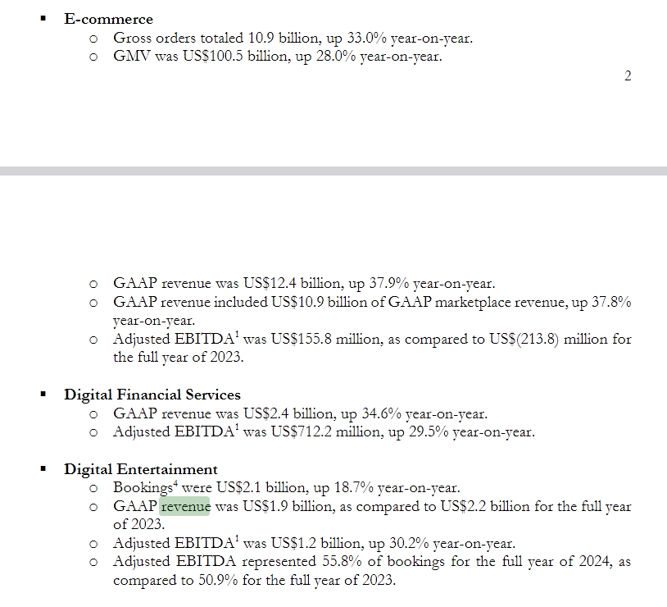
+ Selling, General & Admin | 6,196.9 | Net income per business line
+ Selling & Marketing | 4,238.7 | E commerce incl. Sales of goods |  |  | 403.56411379
% Revenue | 20.0% | Digital entertainment |  |  | 54.167091245
+ General & Administrative | 1,958.2 | Digital Financial Services |  |  | 77.762717743
% Revenue | 9.3% |  |  |  |  | we asssume that opex share the same percentage split for each respective business line as total revenue
+ Research & Development | 1,798.1 | cost of revenue
% Revenue | 8.5% | E commerce |  | 7709.274496
+ Prov For Doubtful Accts | 958.9 | digital financial services |  | 1689.6
% Revenue | 4.5%
+ Other Operating Expense (Income) | -88.4 |  |  | 0.82023379494 | 7709.274496
% Revenue | -0.4% |  |  | 15,942.7

Operating Income (Loss) | 451.1
Operating Margin | 23.0% |  | 451.1
- Non-Operating (Income) Loss | -464.8
+ Interest Expense, Net | -464.8
+ Interest Expense | 45.1
% Debt Outstanding | 1.0% |  |  |  |  |  | 14800
- Interest Income | 509.9
% Cash & Cash Equivalent | 5.0% |  |  | 13350
+ Other Investment (Inc) Loss | 0.0 |  |  | 13,351
+ Foreign Exch (Gain) Loss | 0.0 |  |  | 2400
+ Other Non-Op (Income) Loss | 0.0 |  |  | 10,951
 |  |  |  |  | 10950.674

Net Income, GAAP | 535.49392278

Visualization
Revenue and Net Margin
 | Revenue |  | Operating Margin
FY 2021 | 9,955.2 | 12/31/2021 | -160.3%
FY 2022 | 12,449.7 | 12/31/2022 | -103.5%
FY 2023 | 13,063.6 | 12/31/2023 | 19.8%
FY 2024 | 16,819.9 | 12/31/2024 | 52.2%
FY 2025E | 21,154.6 | 12/31/2025 | 23.0%
FY 2026E | 26,498.5 | 12/31/2026 | 43.6%

